Order Management app
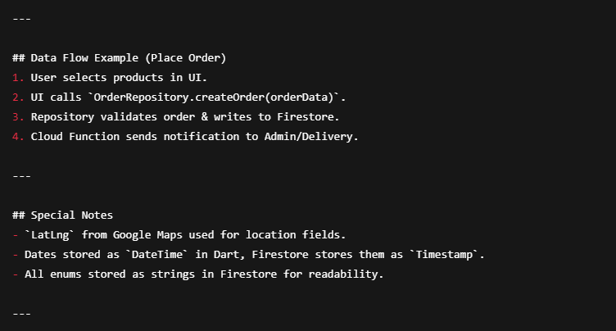
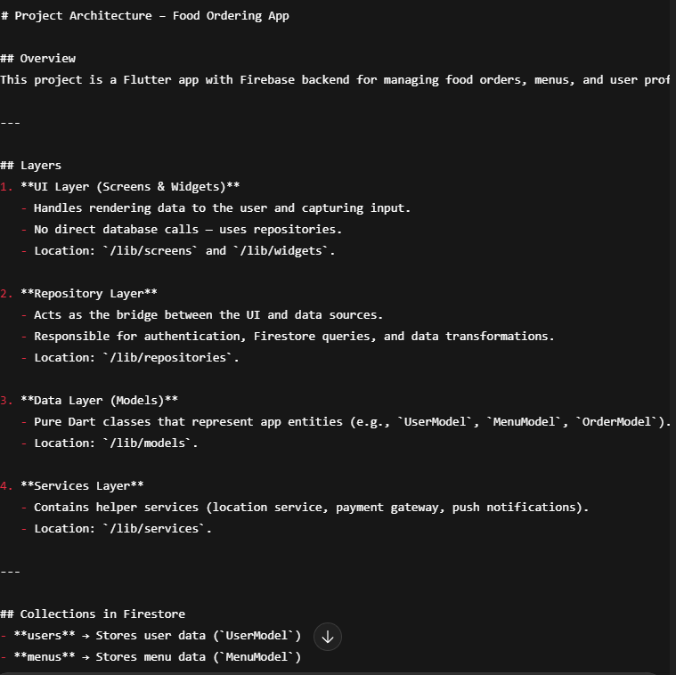
 | Staff Management
Feature | Description | Roles | Main Roles: Owner / Admin / Waiter / Customer
Add Staff | Add new employee with details (name, contact, role, shift) | Owner, Admin | Only owner can add waiter and admin, they cant make their ids by theirself.
Remove Staff | Remove an existing staff member from system | Owner, Admin
Edit Staff Details | Update role, shift, or contact info | Owner, Admin
Reports | Weekly / Monthly / Yearly performance & attendance reports | Owner, Admin
Role Assignment | Assign role-based permissions | Owner
 | Orders - General |  | user can review a order.
Feature | Description | Roles | orders can contain a numeric order id autoincrement for checking how many orders are compelted this month, add no. of orders / amount to report for each month.
Display Orders | List all active/past orders with filters (date, type, status) | Owner, Admin, Waiter, User (His own) | now its turn for order class. let me tell what can be done with orders:
Add Order | Create a new order manually | Owner, Admin, Waiter | 1- orders can be created by anytype of user.
Edit Order | Change quantity, items, or customer details | Owner, Admin | 2- orders are of 3 types: -- dining -- for this order client is sitting in hotel and he/she will have a table no when placing an order. -- delivery -- for this order client is residing at any location we have to deliver this order to him. -- takeaway -- simplest - user have nothing to do with table or delivery address.
Remove Order | Cancel or delete order | Owner, Admin | 3- after order craetion, its status can be updated by waiter / admin / owner.
 | Orders - Dining |  | 4- table no for dining can be changed by waiter - for space management.
Feature | Description | Roles | 5- order status can be updated to predefined status types (not by client).
Room Management | Create, edit, delete dining rooms | Owner, Admin
Table Management | Create, edit, delete tables and link them to rooms | Owner, Admin
Table-to-Order Linking | Assign order to a specific table for tracking / add no of persons and tables / service charges | Owner, Admin, Waiter (assign only) | ✨ This repository covers all your mentioned functionalities:
Order Serving Flow | Waiter takes order → sends to kitchen → marks served | Waiter | Create order (with validation handled in OrderModel).
 | Orders - Takeaway |  | Get by orderId.
Feature | Description | Roles | Get all orders for a user.
Create Takeaway Order | Add takeaway orders in system | Owner, Admin | Update status (admin/waiter/owner only).
Pickup Tracking | Mark as 'Ready' or 'Picked up' ---- Later on | Owner, Admin | Change table number (for dining).
Receipt Printing | Generate receipt for takeaway | Owner, Admin | Delete order (optional).
 | Orders - Online
Feature | Description | Roles | hotels (collection)
Online Ordering (Client App) | User places order via mobile app | User | └── {hotelId} (document)
Order Status Updates | Processing → Ready → On the way → Delivered | Owner, Admin | ├── meta (fields: name, ownerId, subscriptionPlan, createdAt, etc.)
Live Tracking | User sees delivery progress on map --- Later on | User | └── branches (collection)
Notifications | Push notifications for order status changes | Owner, Admin, User | └── {branchId} (document)
 | Menu Management |  | ├── meta (fields: name, location, managerId, createdAt, etc.)
Feature | Description | Roles | ├── users (collection)
Add / Remove Product Categories | Create or delete menu categories | Owner, Admin | │ └── {userId} (role, name, email, permissions)
Add / Remove / Edit Products | Manage menu items (name, description, price, image) | Owner, Admin | ├── categories (collection)
Assign Products to Categories | Organize menu items | Owner, Admin | │ └── {categoryId} (title, description, etc.)
Availability Toggle | Mark items as available/unavailable | Owner, Admin | ├── products (collection)
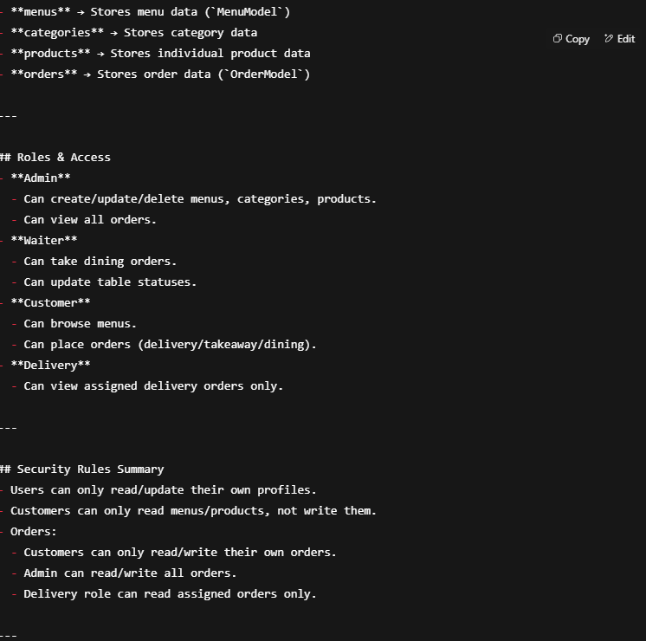
 | Client App |  | │ └── {productId} (name, price, categoryId, stock, etc.)
Feature | Description | Roles | ├── menus (collection)
Menu Browsing | View categorized menu with prices and images | User | │ └── {menuId} (title, productRefs, etc.)
Order Placement | Select items, quantity, and type (Dining/Takeaway/Delivery) | User | └── orders (collection)
Order Customization | Add notes, choose options (e.g., spicy level) ---PENDING FIELD | User | └── {orderId} (items, total, status, userId, createdAt)
Live Order Tracking | See order status in real-time | User
Online Payment | Pay via card, wallet, or cash on delivery | User
 | System Wide Features
Feature | Description | Roles
Role-Based Access Control | Restrict access based on role | All
Service charges | option for admin to add to other orders
Multi-Platform | Flutter apps for Android, iOS, and Web dashboard | All
Offline Mode | Orders can be taken offline and synced later | All
Notifications | Push notifications for order updates, staff messages | All
Printer | Printing | -
Reports Export | Export sales, orders, and staff data as Excel/PDF | Owner, Admin
Cloud Sync | Real-time data synchronization between devices | All

Module / Feature | Description
Staff Management | Add, remove, edit staff, basic weekly/monthly reports
Orders - General | Display, add, edit, remove orders
Dining Orders | Room/table management, table-to-order linking, waiter serving flow
Takeaway Orders | Create takeaway orders, pickup tracking
Menu Management | Add/remove categories, products, assign to categories
Client App | Browse menu, place orders, basic order tracking
System Wide | Role-based access, cloud sync, basic notifications
Printing | Print orders and reports from app

